Sheet1
 | EXPRESSION OF INTEREST FORM FOR TECHNICAL OFFICIALS FOR THE 2026 Nordic Youth, Junior and Senior Championships

 | RETURN TO BWL BY EMAIL: |  |  |  | competitions@britishweightlifting.org |  |  |  |  |  | Deadline: 1200hrs, 24 September 2026
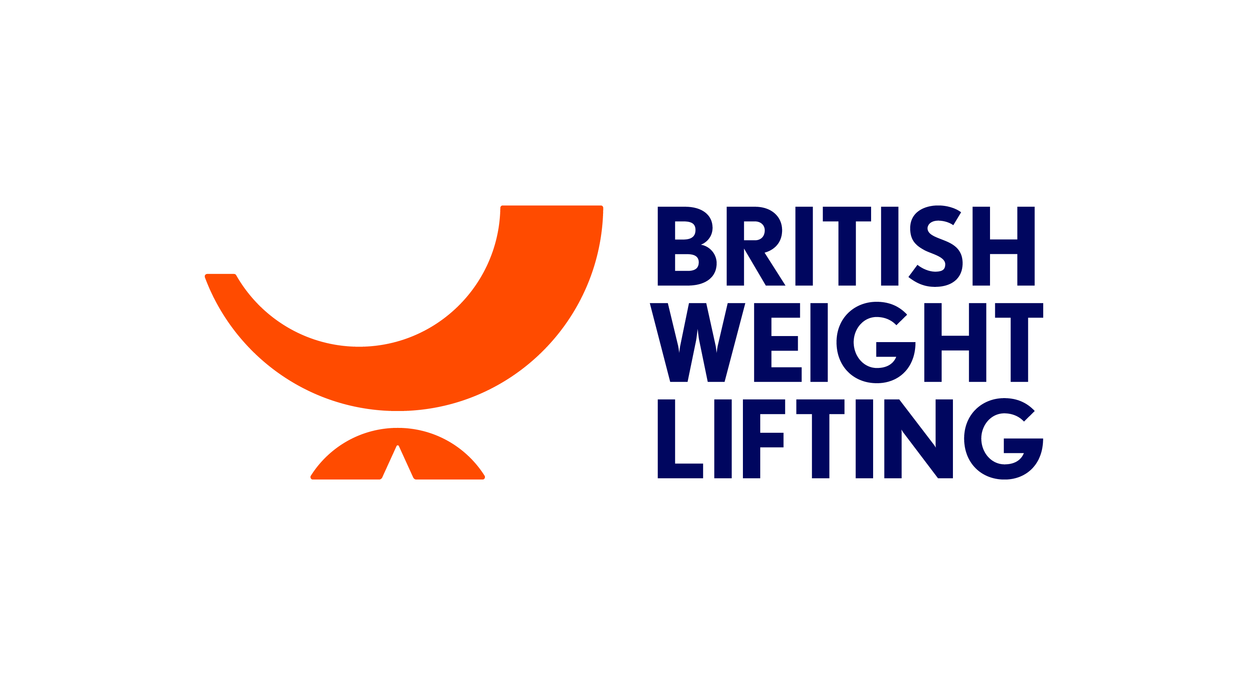
 |  | Gender | Family Name(s) | Given Name(s) |  | TO Card Number | Date of birth | Work experience in 2024-2026 at IWF/EWF Events |  |  | Work experience in 2024-2026 at BWL Events | Contact Email | Contact Mobile Number
 |  | M / F |  |  |  |  | (dd.mm.yyyy) | Year / Event * |  |  | Year/Event *
 | PERSONAL DETAILS
 | Competition
 | BC
 | Competition
 | EWF
 | Competition
 | BC
 | Competition
 | W S O
 | Competition
 | W S
 | Competition
 | W
 | Competition
 | B U C S
 | Competition

 | Competition
 | BC
 | Competition
 | EWF
 | Competition
 | EWF
 | Competition
 | BC
 | EWF
 | ESC
 | BC
 | Competition

 |  |  |  |  |  |  |  | please add columns if necessary

 |  |  |  |  |  |  | * Please use these abbreviations:
 |  |  |  |  |  |  | OG | Olympic Games | CC | Continental Championships
 |  |  |  |  |  |  | YOG | Youth Olympic Games | CG | Continental Games
 |  |  |  |  |  |  | WC | IWF World Championships | RC | Regional Championships
 |  |  |  |  |  |  | JWC | IWF Junior World Championships | RG | Regional Games
 | Signature*: |  |  |  |  |  | YWC | IWF Youth World Championships | U | Universiade
 |  |  |  |  |  |  | CWG | Commonwealth Games | WUC | World University Championships
 |  |  |  |  |  |  | BC | British Championships | HNC | Home Nation Championships
 | Date: |  |  |  |  |  | BAGC | British Age Group Championships | HNAGC | Home Nation Age Group Championships
 |  |  |  |  |  |  | OTHER | Please specify

* To be eligible, British Officials must have officiated at least three (3) national events during the proceeding twelve months
* By completing and returning the form, I consent to BWL and the EWF processing the personal information of technical officials for the purpose of conducting the 2025 EWF Technical Officials Selection Process

