ACCOMMODATION
ACCOMMODATION APPLICATION FORM


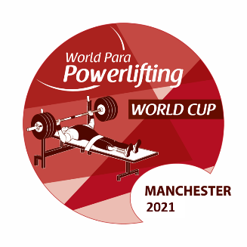

Please ensure the below is completed fully for all team members and sent by no later than 15 January 2021 to: |  |  |  |  |  |  |  |  |  | Manchester2020ppwc@mlsgb.co

NPC |  |  |  |  | Total accommodation fees must be transferred to Manchester City Council no later than 29 January 2021
 |  |  |  |  |  |  |  |  |  |  |  |  | Accommodation Fees must be transferred to:
 |  |  |  |  | Room Type |  | No. of Nights |  | Price per Night (GBP) |  | Total Cost (GBP) |  | Account name | Manchester City Council Reciepts
Insert NPC Invoice Name & Address |  |  |  |  | Single Room |  | 0 |  | £190.00 |  | £- |  | Bank name | Barclays Bank
 |  |  |  |  | Twin Room |  | 0 |  | £250.00 |  | £- |  | Bank Address | 51 Mosley Stree, Manchester, M60 2AU
 |  |  |  |  |  |  | 0 |  | Total Accommodation Fee: |  | £- |  | Account number | 53348075
 |  |  |  |  |  |  |  |  |  |  |  |  | Sort Code | 20-55-58
 |  |  |  |  |  |  |  |  |  |  |  |  | Swift-Code | BARCGB22
 |  |  |  |  |  |  |  |  |  |  |  |  | IBAN | GB56 BARC 2055 5853 3480 75

Wheelchair User A |  | Can NOT walk at all
Wheelchair User B |  | Can walk from bedroom to bathroom

 | SINGLE ROOMS |  |  | Gender F/M |  | Wheelchair User |  | Not Wheelchair User |  | Check In Date |  | Check Out Date | Total Nights
 | Rooms | Family Name | First Name |  |  | User A | User B | Standing |  | (YYYY-MM-DD) |  | (YYYY-MM-DD)
 | Room 1
 | Room 2
 | Room 3
 | Room 4
 | Room 5
 | Room 6
 | Room 7
 | Room 8
 | Room 9
 | Room 10
 | Room 11
 | Room 12
 | Room 13
 | Room 14
 | Room 15
 |  |  |  |  |  |  |  |  |  |  |  |  | 0

 | TWIN ROOMS |  |  | Gender F/M |  | Wheelchair User |  | Not Wheelchair User |  | Check In Date |  | Check Out Date | Total Nights
 | Rooms | Family Name | First Name |  |  | User A | User B | Standing |  | (YYYY-MM-DD) |  | (YYYY-MM-DD)
 | Room 1

 | Room 2

 | Room 3

 | Room 4

 | Room 5

 | Room 6

 | Room 7

 | Room 8

 | Room 9

 | Room 10

 | Room 11

 | Room 12

 | Room 13

 | Room 14

 | Room 15

 |  |  |  |  |  |  |  |  |  |  |  |  | 0

